13.4 Scale Description
Exhibit 13.4: Percentages of Students Taught the TIMSS Science Topics
Students’ Results based on Teachers’ Reports

 |  | About the Scale
 |  | Exhibit 13.5 reports the percentage of students whose teachers responded “mostly taught before this year” or “mostly taught this year,” averaged across topics.

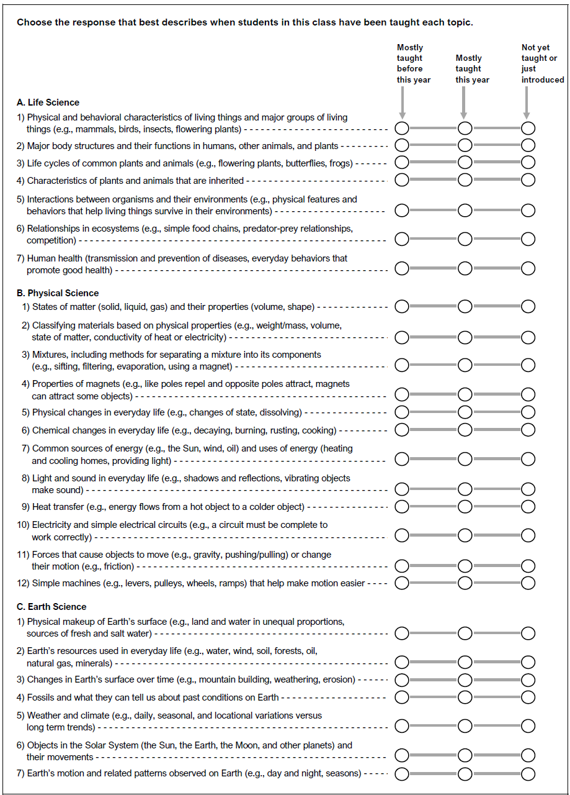

 | SOURCE: IEA's Trends in International Mathematics and Science Study - TIMSS 2019
 | Downloaded from http://timss2019.org/download

