Example 1
Exhibit 4.13.1: Advanced International Benchmark of Science Achievement – Example Item 1

 |  | Country | Percent Full Credit |  |  |  | Content Domain: Biology
 |  |  |  |  |  |  | Cognitive Domain: Applying
 |  |  |  |  |  |  | Description: Classifies 7 of 7 animals as mammals or non-mammals
 |  | Japan | 75 | (1.9) | p
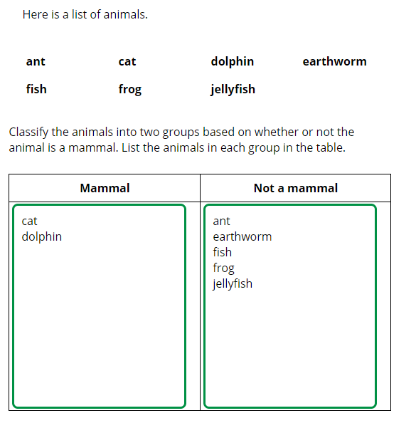
 |  | Chinese Taipei | 63 | (1.9) | p
 | 2 | Singapore | 62 | (2.0) | p
 |  | Hungary | 53 | (2.8) | p
 | † | Hong Kong SAR | 46 | (2.6) | p
 | 2 | Russian Federation | 44 | (2.5) | p
 | 1 | Georgia | 42 | (3.2) | p
 |  | Italy | 41 | (2.6) | p
 |  | Romania | 40 | (2.4) | p
 |  | Finland | 37 | (1.7) | p
 |  | Lithuania | 37 | (2.7) | p
 | 2 | Kazakhstan | 35 | (2.6) | p
 |  | Australia | 35 | (1.6) | p
 |  | Portugal | 35 | (2.6) | p
 | 3 | Israel | 33 | (2.5)
 |  | Korea, Rep. of | 31 | (2.1)
 | † | New Zealand | 30 | (2.0)
 | † | United States | 30 | (1.9)
 |  | International Average | 30 | (0.3)
 |  | England | 27 | (2.5)
 |  | Cyprus | 27 | (2.0)
 |  | United Arab Emirates | 27 | (1.2) | s
 |  | Lebanon | 26 | (2.3)
 |  | Bahrain | 24 | (2.3) | s
 |  | Qatar | 22 | (1.7) | s
 |  | Malaysia | 21 | (1.5) | s
 |  | France | 21 | (1.8) | s
 |  | Turkey | 20 | (2.0) | s
 |  | Ireland | 20 | (1.9) | s
 |  | Oman | 20 | (1.5) | s
 |  | Jordan | 18 | (1.8) | s |  | The answer shown illustrates the type of response that would receive full credit (1 point).
 | 2 | Sweden | 17 | (1.7) | s
 | † | Norway (9) | 16 | (2.0) | s
 |  | Chile | 16 | (1.7) | s
 |  | Kuwait | 16 | (2.3) | s
 |  | Morocco | 16 | (1.5) | s
 |  | Iran, Islamic Rep. of | 12 | (1.4) | s
 | 2 | Saudi Arabia | 10 | (1.3) | s
 | 2 | Egypt | 7 | (1.2) | s
 |  | South Africa (9) | 5 | (0.4) | s
Benchmarking Participants
 |  | Moscow City, Russian Fed. | 55 | (2.5) | p
 | 2 | Dubai, UAE | 37 | (2.0) | p
 |  | Ontario, Canada | 37 | (3.0) | p
 | ‡ | Quebec, Canada | 27 | (2.2)
 |  | Abu Dhabi, UAE | 23 | (1.5) | s
 |  | Western Cape, RSA (9) | 14 | (1.4) | s
 |  | Gauteng, RSA (9) | 10 | (1.6) | s

 |  |  |  |  | p | Percent significantly higher than international average

 |  |  |  |  | s | Percent significantly lower than international average

 | See Appendix B.7 for population coverage notes 1, 2, and 3. See Appendix B.10 for sampling guidelines and sampling participation notes †, ‡, and ≡. ( ) Standard errors appear in parentheses. Because of rounding some results may appear inconsistent.

 | SOURCE: IEA's Trends in International Mathematics and Science Study - TIMSS 2019
 | Downloaded from http://timss2019.org/download

Example 2
Exhibit 4.13.2: Advanced International Benchmark of Science Achievement – Example Item 2

 |  | Country | Percent Full Credit |  |  |  | Content Domain: Chemistry
 |  |  |  |  |  |  | Cognitive Domain: Applying
 |  |  |  |  |  |  | Description: Uses a portion of the periodic table to order four elements from the smallest atomic number to the largest atomic number
 | 2 | Singapore | 60 | (2.1) | p
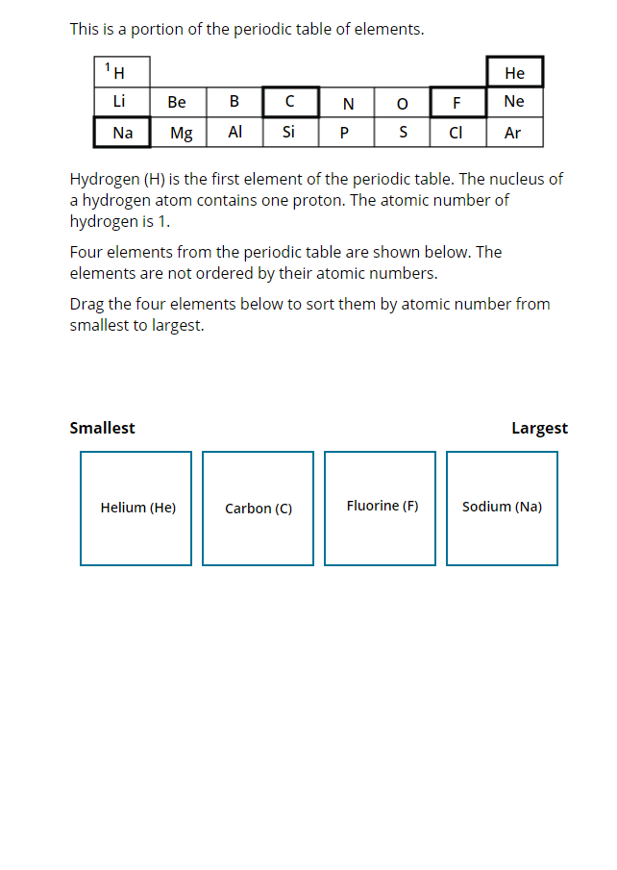
 |  | Korea, Rep. of | 56 | (2.0) | p
 |  | Turkey | 49 | (2.2) | p
 | 2 | Russian Federation | 46 | (2.4) | p
 |  | Japan | 44 | (2.3) | p
 | † | Norway (9) | 44 | (2.5) | p
 |  | Chinese Taipei | 43 | (2.2) | p
 |  | Lithuania | 42 | (2.8) | p
 |  | Hungary | 41 | (2.7) | p
 | 2 | Kazakhstan | 40 | (2.7) | p
 |  | Australia | 40 | (2.1) | p
 | † | New Zealand | 38 | (2.2) | p
 |  | Finland | 36 | (2.0) | p
 | † | United States | 35 | (1.8) | p
 |  | Ireland | 35 | (2.3) | p
 | 1 | Georgia | 32 | (3.2)
 |  | England | 31 | (2.7)
 | 3 | Israel | 31 | (2.4)
 | 2 | Sweden | 29 | (2.6)
 |  | International Average | 29 | (0.3)
 |  | United Arab Emirates | 27 | (1.1)
 |  | Romania | 26 | (2.7)
 |  | Bahrain | 23 | (2.0) | s
 |  | Kuwait | 23 | (2.3) | s
 |  | Lebanon | 23 | (2.2) | s
 |  | Italy | 21 | (2.1) | s
 |  | South Africa (9) | 21 | (1.1) | s
 |  | Chile | 21 | (1.9) | s
 | † | Hong Kong SAR | 21 | (2.1) | s
 |  | Iran, Islamic Rep. of | 19 | (2.3) | s
 |  | Jordan | 19 | (2.1) | s |  | The answer shown illustrates the type of response that would receive full credit (1 point).
 | 2 | Egypt | 18 | (1.9) | s
 |  | Portugal | 17 | (1.6) | s
 |  | Qatar | 15 | (2.3) | s
 |  | Cyprus | 15 | (1.8) | s
 |  | France | 15 | (1.5) | s
 |  | Malaysia | 11 | (1.1) | s
 |  | Oman | 8 | (1.0) | s
 | 2 | Saudi Arabia | 7 | (1.3) | s
 |  | Morocco | 6 | (1.1) | s
Benchmarking Participants
 | ‡ | Quebec, Canada | 56 | (2.7) | p
 |  | Moscow City, Russian Fed. | 55 | (2.3) | p
 | 2 | Dubai, UAE | 41 | (2.0) | p
 |  | Western Cape, RSA (9) | 32 | (2.1)
 |  | Gauteng, RSA (9) | 31 | (2.3)
 |  | Abu Dhabi, UAE | 23 | (1.4) | s
 |  | Ontario, Canada | 23 | (2.4) | s

 |  |  |  |  | p | Percent significantly higher than international average

 |  |  |  |  | s | Percent significantly lower than international average

 | See Appendix B.7 for population coverage notes 1, 2, and 3. See Appendix B.10 for sampling guidelines and sampling participation notes †, ‡, and ≡. ( ) Standard errors appear in parentheses. Because of rounding some results may appear inconsistent.

 | SOURCE: IEA's Trends in International Mathematics and Science Study - TIMSS 2019
 | Downloaded from http://timss2019.org/download

Example 3
Exhibit 4.13.3: Advanced International Benchmark of Science Achievement – Example Item 3

 |  | Country | Percent Correct |  |  |  | Content Domain: Physics
 |  |  |  |  |  |  | Cognitive Domain: Applying
 |  |  |  |  |  |  | Description: Recognizes a diagram of what happens to gas molecules inside a balloon when the balloon expands
 | 2 | Singapore | 69 | (2.2) | p
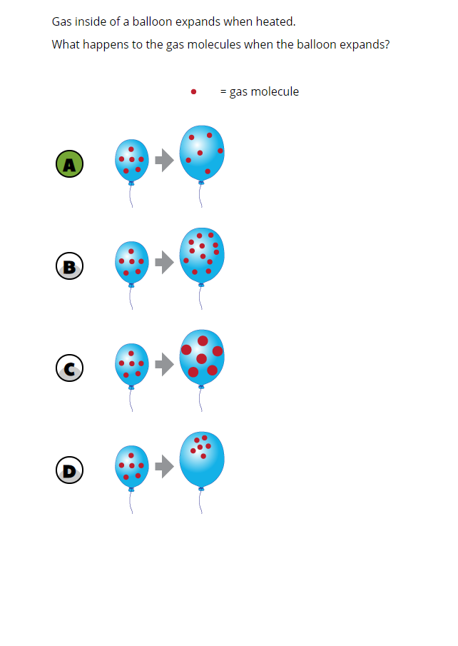
 | 3 | Israel | 68 | (2.1) | p
 |  | Portugal | 56 | (2.6) | p
 |  | Korea, Rep. of | 56 | (2.3) | p
 |  | Bahrain | 50 | (2.1) | p
 |  | Australia | 50 | (2.5) | p
 |  | United Arab Emirates | 50 | (1.0) | p
 | 2 | Russian Federation | 49 | (2.5) | p
 |  | England | 49 | (2.5) | p
 |  | Turkey | 49 | (2.3) | p
 |  | Chile | 47 | (2.6) | p
 |  | Qatar | 47 | (2.4) | p
 | † | United States | 47 | (1.7) | p
 |  | Japan | 46 | (2.6) | p
 |  | Oman | 45 | (1.8) | p
 |  | Lithuania | 43 | (2.4)
 | 2 | Sweden | 41 | (2.4)
 |  | International Average | 41 | (0.4)
 |  | Italy | 40 | (2.5)
 | † | New Zealand | 40 | (2.6)
 |  | Chinese Taipei | 38 | (2.0)
 |  | Kuwait | 37 | (2.3)
 |  | Jordan | 37 | (2.5)
 |  | France | 36 | (2.2) | s
 |  | Malaysia | 36 | (2.1) | s
 | 2 | Saudi Arabia | 36 | (1.6) | s
 | 1 | Georgia | 36 | (3.0)
 | † | Hong Kong SAR | 35 | (3.1)
 | 2 | Kazakhstan | 35 | (2.1) | s
 |  | Ireland | 34 | (2.4) | s
 |  | Finland | 34 | (2.0) | s
 | † | Norway (9) | 34 | (2.1) | s
 |  | Iran, Islamic Rep. of | 31 | (2.0) | s
 |  | Cyprus | 31 | (2.2) | s
 |  | Hungary | 31 | (2.0) | s
 |  | Morocco | 28 | (1.8) | s
 |  | Romania | 27 | (2.4) | s
 |  | Lebanon | 23 | (2.4) | s
 | 2 | Egypt | 22 | (2.0) | s
 |  | South Africa (9) | 20 | (0.9) | s
Benchmarking Participants
 | 2 | Dubai, UAE | 63 | (1.9) | p
 |  | Ontario, Canada | 60 | (2.6) | p
 |  | Moscow City, Russian Fed. | 59 | (2.5) | p
 | ‡ | Quebec, Canada | 48 | (2.8) | p
 |  | Abu Dhabi, UAE | 43 | (1.9)
 |  | Western Cape, RSA (9) | 28 | (2.0) | s
 |  | Gauteng, RSA (9) | 28 | (2.0) | s

 |  |  |  |  | p | Percent significantly higher than international average

 |  |  |  |  | s | Percent significantly lower than international average

 | See Appendix B.7 for population coverage notes 1, 2, and 3. See Appendix B.10 for sampling guidelines and sampling participation notes †, ‡, and ≡. ( ) Standard errors appear in parentheses. Because of rounding some results may appear inconsistent.

 | SOURCE: IEA's Trends in International Mathematics and Science Study - TIMSS 2019
 | Downloaded from http://timss2019.org/download

Example 4
Exhibit 4.13.4: Advanced International Benchmark of Science Achievement – Example Item 4

 |  | Country | Percent Correct |  |  |  | Content Domain: Earth Science
 |  |  |  |  |  |  | Cognitive Domain: Knowing
 |  |  |  |  |  |  | Description: Recognizes why a balloon gets bigger as its height above the ground increases
 |  | Japan | 68 | (1.9) | p
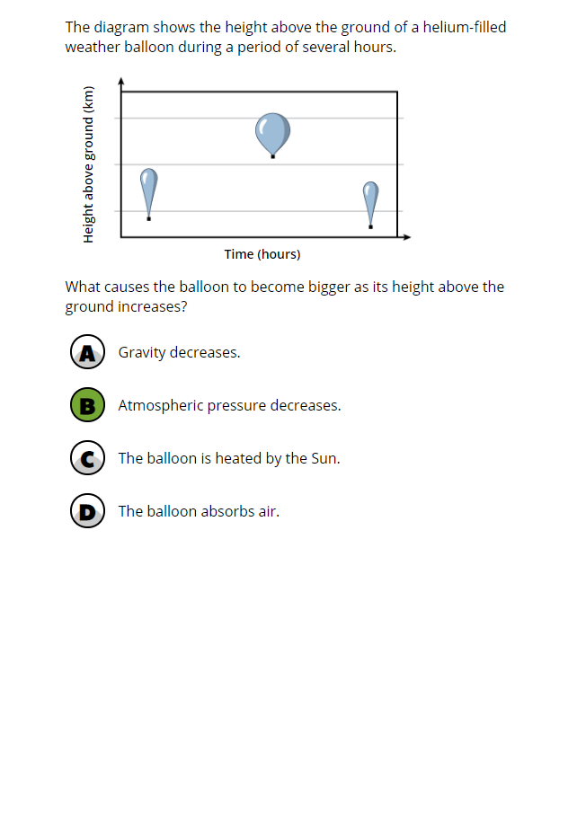
 | 2 | Russian Federation | 66 | (2.6) | p
 |  | Lithuania | 65 | (2.0) | p
 |  | Korea, Rep. of | 63 | (2.2) | p
 |  | Chinese Taipei | 63 | (2.0) | p
 |  | Turkey | 62 | (2.4) | p
 | 2 | Kazakhstan | 57 | (2.4) | p
 |  | Finland | 55 | (2.0) | p
 |  | Hungary | 52 | (2.3) | p
 |  | Bahrain | 51 | (2.0) | p
 | † | Hong Kong SAR | 50 | (2.5) | p
 |  | France | 49 | (2.1) | p
 |  | Italy | 45 | (2.8)
 | 2 | Singapore | 45 | (2.1)
 |  | Romania | 43 | (2.3)
 |  | England | 42 | (2.6)
 |  | International Average | 42 | (0.3)
 | 1 | Georgia | 42 | (3.0)
 | 2 | Saudi Arabia | 42 | (2.0)
 |  | Australia | 41 | (1.9)
 | † | United States | 40 | (1.8)
 |  | Portugal | 40 | (2.1)
 |  | United Arab Emirates | 39 | (1.0) | s
 | † | Norway (9) | 39 | (2.4)
 |  | Qatar | 37 | (2.0) | s
 |  | Ireland | 36 | (2.0) | s
 | 2 | Sweden | 35 | (2.2) | s
 | 3 | Israel | 35 | (2.7) | s
 | † | New Zealand | 34 | (2.5) | s
 |  | Oman | 34 | (1.8) | s
 |  | Cyprus | 34 | (2.2) | s
 |  | Kuwait | 33 | (1.8) | s
 |  | Chile | 33 | (2.2) | s
 |  | Malaysia | 32 | (1.7) | s
 |  | Morocco | 30 | (1.7) | s
 |  | Jordan | 29 | (2.1) | s
 | 2 | Egypt | 28 | (1.8) | s
 |  | Lebanon | 25 | (2.0) | s
 |  | Iran, Islamic Rep. of | 18 | (1.5) | s
 |  | South Africa (9) | 12 | (0.7) | s
Benchmarking Participants
 |  | Moscow City, Russian Fed. | 74 | (2.3) | p
 | ‡ | Quebec, Canada | 51 | (3.3) | p
 | 2 | Dubai, UAE | 47 | (1.9) | p
 |  | Ontario, Canada | 37 | (2.9)
 |  | Abu Dhabi, UAE | 37 | (1.5) | s
 |  | Gauteng, RSA (9) | 18 | (1.4) | s
 |  | Western Cape, RSA (9) | 18 | (1.5) | s

 |  |  |  |  | p | Percent significantly higher than international average

 |  |  |  |  | s | Percent significantly lower than international average

 | See Appendix B.7 for population coverage notes 1, 2, and 3. See Appendix B.10 for sampling guidelines and sampling participation notes †, ‡, and ≡. ( ) Standard errors appear in parentheses. Because of rounding some results may appear inconsistent.

 | SOURCE: IEA's Trends in International Mathematics and Science Study - TIMSS 2019
 | Downloaded from http://timss2019.org/download

