Example 1
Exhibit 2.13.1: Advanced International Benchmark of Science Achievement – Example Item 1

 |  | Country | Percent Full Credit |  |  |  | Content Domain: Life Science
 |  |  |  |  |  |  | Cognitive Domain: Applying
 |  |  |  |  |  |  | Description: Uses a food web to determine which animals are competitors
 |  | Bulgaria | 69 | (2.3) | p
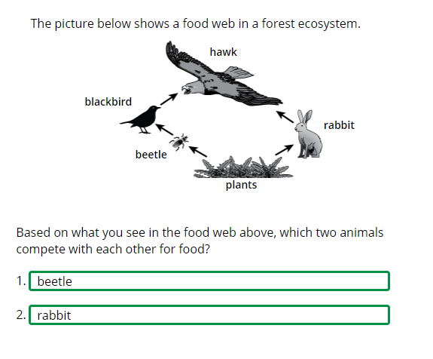
 |  | Korea, Rep. of | 56 | (2.3) | p
 | 3 | Singapore | 54 | (2.0) | p
 |  | Chinese Taipei | 45 | (2.2) | p
 |  | Sweden | 45 | (2.6) | p
 | † | Norway (5) | 44 | (2.2) | p
 |  | Finland | 43 | (1.7) | p
 | 2 | Slovak Republic | 42 | (2.3) | p
 | 2 | Serbia | 40 | (2.7) | p
 | 2† | United States | 40 | (1.8) | p
 | † | Hong Kong SAR | 40 | (2.6) | p
 | † | Denmark | 40 | (2.4) | p
 | † | Northern Ireland | 39 | (2.8) | p
 |  | Austria | 38 | (2.9) | p
 |  | Germany | 38 | (2.3) | p
 |  | Australia | 37 | (2.3) | p
 | 2 | England | 37 | (2.7) | p
 |  | Japan | 37 | (1.9) | p
 | 2 | Russian Federation | 37 | (2.4) | p
 |  | Poland | 37 | (2.2) | p
 |  | France | 36 | (2.8) | p
 |  | Bahrain | 35 | (1.8) | p
 |  | Ireland | 35 | (2.1) | p
 |  | Czech Republic | 34 | (2.2)
 |  | Spain | 34 | (1.7) | p
 |  | Malta | 33 | (2.1)
 |  | Italy | 31 | (2.6) |  |  | The answer shown illustrates the type of response that would receive full credit (1 point).
 |  | Hungary | 31 | (2.0)
 | 2 | New Zealand | 31 | (1.6)
 | 2 | Portugal | 31 | (2.2)
 | 1 2 | Canada | 31 | (1.9)
 |  | International Average | 30 | (0.3)
 |  | Cyprus | 30 | (2.5)
 | † | Belgium (Flemish) | 29 | (2.2)
 |  | United Arab Emirates | 28 | (1.1) | s
 | ≡ | Netherlands | 27 | (2.1)
 | 2 | Latvia | 27 | (2.1)
 |  | Montenegro | 26 | (2.1) | s
 |  | Croatia | 26 | (2.0) | s
 | 2 | Lithuania | 26 | (2.3) | s
 |  | Chile | 24 | (2.0) | s
 |  | Albania | 22 | (2.4) | s
 |  | Armenia | 22 | (1.8) | s
 |  | Oman | 22 | (2.0) | s
 |  | Iran, Islamic Rep. of | 22 | (1.8) | s
 | 2 | Turkey (5) | 20 | (1.7) | s
 | 2 | Saudi Arabia | 20 | (1.4) | s
 |  | Qatar | 19 | (2.1) | s
 |  | Morocco | 16 | (2.0) | s
 | 1 | Georgia | 16 | (2.2) | s
 |  | Bosnia and Herzegovina | 15 | (1.5) | s
 |  | Kuwait | 15 | (1.9) | s
 |  | South Africa (5) | 15 | (1.1) | s
 |  | Azerbaijan | 14 | (1.4) | s
 | 2 | Kazakhstan | 13 | (1.6) | s
 |  | North Macedonia | 13 | (1.8) | s
 | 2 | Pakistan | 10 | (2.3) | s
 | 2 | Philippines | 6 | (0.9) | s
 | 2 | Kosovo | 5 | (1.3) | s
Benchmarking Participants
 |  | Moscow City, Russian Fed. | 52 | (2.7) | p
 | 2 | Dubai, UAE | 41 | (2.0) | p
 |  | Madrid, Spain | 36 | (2.3) | p
 | 2 | Ontario, Canada | 32 | (3.6)
 |  | Quebec, Canada | 30 | (2.2)
 |  | Abu Dhabi, UAE | 19 | (1.3) | s

 |  |  |  |  | p | Percent significantly higher than international average

 |  |  |  |  | s | Percent significantly lower than international average

 | See Appendix B.2 for population coverage notes 1, 2, and 3. See Appendix B.5 for sampling guidelines and sampling participation notes †, ‡, and ≡. ( ) Standard errors appear in parentheses. Because of rounding some results may appear inconsistent.

 | SOURCE: IEA's Trends in International Mathematics and Science Study - TIMSS 2019
 | Downloaded from http://timss2019.org/download

Example 2
Exhibit 2.13.2: Advanced International Benchmark of Science Achievement – Example Item 2

 |  | Country | Percent Full Credit |  |  |  | Content Domain: Physical Science
 |  |  |  |  |  |  | Cognitive Domain: Reasoning
 |  |  |  |  |  |  | Description: Part A - Recognizes set-ups that will more quickly dissolve a solid in water
 | 2 | Latvia | 74 | (2.0) | p
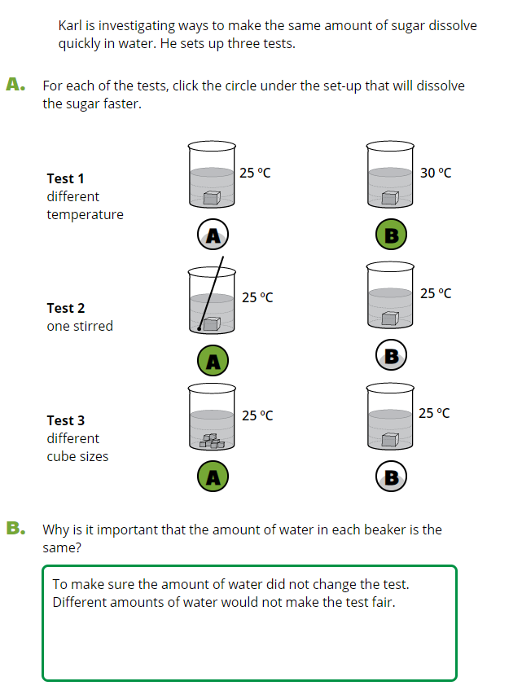
 |  | Chinese Taipei | 69 | (2.0) | p
 |  | Poland | 61 | (2.1) | p
 |  | Japan | 59 | (1.9) | p
 |  | Korea, Rep. of | 57 | (2.1) | p
 | 2 | Serbia | 55 | (2.6) | p
 |  | Finland | 54 | (2.2) | p
 | 2 | Russian Federation | 52 | (2.0) | p
 | 2 | Lithuania | 52 | (2.5) | p
 | † | Belgium (Flemish) | 50 | (2.0) | p
 | 2 | Slovak Republic | 49 | (2.7) | p
 | 3 | Singapore | 48 | (1.8) | p
 |  | Sweden | 46 | (2.6) | p
 | † | Hong Kong SAR | 45 | (2.6) | p
 |  | Czech Republic | 44 | (2.3) | p
 |  | Ireland | 44 | (2.5) | p
 |  | Hungary | 44 | (2.3) | p
 | ≡ | Netherlands | 43 | (2.6) | p
 |  | Bulgaria | 43 | (2.4) | p
 | † | Norway (5) | 43 | (2.6) | p
 | † | Denmark | 42 | (2.4) | p
 | 1 2 | Canada | 42 | (1.6) | p
 |  | Croatia | 41 | (2.2)
 |  | Germany | 41 | (2.0) | p
 |  | Australia | 41 | (1.8) | p
 | † | Northern Ireland | 41 | (2.6)
 |  | Italy | 40 | (2.3)
 |  | Cyprus | 40 | (2.3)
 | 2 | Portugal | 38 | (2.2)
 | 2 | New Zealand | 37 | (1.9)
 |  | International Average | 37 | (0.3)
 |  | Austria | 37 | (2.1)
 |  | Albania | 36 | (2.6)
 | 2 | England | 36 | (2.6)
 |  | Malta | 34 | (2.2)
 |  | France | 32 | (2.5) | s
 |  | Spain | 32 | (2.4) | s
 |  | Armenia | 32 | (2.0) | s
 | 2† | United States | 31 | (1.6) | s
 | 2 | Turkey (5) | 30 | (1.8) | s
 |  | Bahrain | 30 | (2.1) | s |  | The answer shown for part A illustrates the type of response that would receive full credit (1 point).
 |  | Chile | 29 | (2.0) | s
 |  | Azerbaijan | 28 | (2.1) | s
 |  | North Macedonia | 28 | (2.9) | s
 | 2 | Kazakhstan | 28 | (2.0) | s
 |  | United Arab Emirates | 27 | (0.8) | s
 |  | Bosnia and Herzegovina | 27 | (1.8) | s
 |  | Montenegro | 26 | (1.9) | s
 | 1 | Georgia | 25 | (2.5) | s
 |  | Qatar | 24 | (1.7) | s
 |  | Oman | 22 | (1.8) | s
 |  | Kuwait | 21 | (1.7) | s
 | 2 | Philippines | 19 | (1.6) | s
 | 2 | Saudi Arabia | 18 | (1.4) | s
 | 2 | Kosovo | 17 | (1.7) | s
 |  | Morocco | 15 | (2.2) | s
 |  | South Africa (5) | 14 | (1.2) | s
 |  | Iran, Islamic Rep. of | 13 | (1.5) | s
 | 2 | Pakistan | 9 | (1.9) | s
Benchmarking Participants
 |  | Moscow City, Russian Fed. | 58 | (2.2) | p
 |  | Quebec, Canada | 43 | (2.5) | p
 |  | Madrid, Spain | 43 | (2.8) | p
 | 2 | Ontario, Canada | 42 | (2.9)
 | 2 | Dubai, UAE | 36 | (1.8)
 |  | Abu Dhabi, UAE | 21 | (1.4) | s

 |  |  |  |  | p | Percent significantly higher than international average

 |  |  |  |  | s | Percent significantly lower than international average

 | See Appendix B.2 for population coverage notes 1, 2, and 3. See Appendix B.5 for sampling guidelines and sampling participation notes †, ‡, and ≡. ( ) Standard errors appear in parentheses. Because of rounding some results may appear inconsistent.

 | SOURCE: IEA's Trends in International Mathematics and Science Study - TIMSS 2019
 | Downloaded from http://timss2019.org/download

Example 4
Exhibit 2.13.4: Advanced International Benchmark of Science Achievement – Example Item 4

 |  | Country | Percent Full Credit |  |  |  | Content Domain: Earth Science
 |  |  |  |  |  |  | Cognitive Domain: Applying
 |  |  |  |  |  |  | Description: Places the Earth in a model to show its position relative to the Sun when a labeled city is experiencing summer
 |  | Chinese Taipei | 59 | (2.6) | p
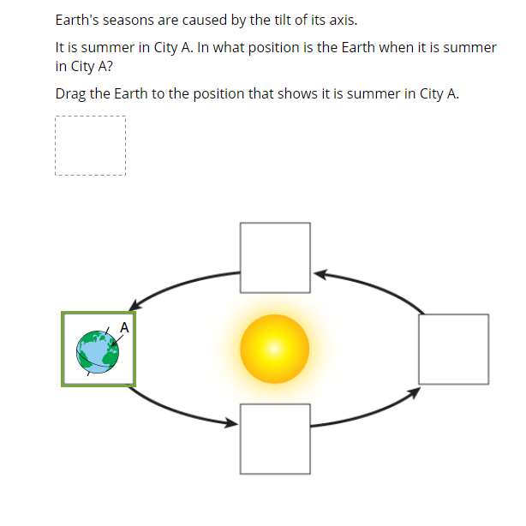
 |  | Sweden | 55 | (2.7) | p
 | 2 | Russian Federation | 54 | (2.4) | p
 | 3 | Singapore | 53 | (2.3) | p
 | † | Norway (5) | 52 | (2.4) | p
 | 2 | England | 48 | (2.4) | p
 | 2 | Latvia | 47 | (2.2) | p
 |  | Finland | 47 | (2.5) | p
 | 2 | Lithuania | 47 | (2.1) | p
 |  | Korea, Rep. of | 46 | (2.4) | p
 | 2 | Slovak Republic | 45 | (2.4) | p
 |  | Ireland | 44 | (2.5) | p
 | 2† | United States | 44 | (1.5) | p
 |  | Germany | 43 | (2.2) | p
 |  | Australia | 43 | (2.7) | p
 | † | Denmark | 42 | (2.6) | p
 |  | Poland | 41 | (2.4) | p
 |  | Croatia | 41 | (3.2)
 |  | United Arab Emirates | 41 | (1.1) | p
 |  | Hungary | 40 | (2.5)
 | † | Hong Kong SAR | 40 | (2.1)
 |  | Czech Republic | 40 | (2.6)
 | 2 | Turkey (5) | 40 | (2.4)
 |  | Bulgaria | 40 | (2.3)
 |  | France | 39 | (2.2)
 | 1 2 | Canada | 39 | (1.4)
 |  | Austria | 39 | (2.4)
 | † | Belgium (Flemish) | 38 | (2.5)
 | 2 | New Zealand | 38 | (1.8) |  |  | The answer shown illustrates the type of response that would receive full credit (1 point).
 | † | Northern Ireland | 37 | (2.6)
 | ≡ | Netherlands | 37 | (2.5)
 |  | Japan | 37 | (2.0)
 | 2 | Portugal | 36 | (2.2)
 |  | International Average | 36 | (0.3)
 | 2 | Kazakhstan | 36 | (2.3)
 | 2 | Serbia | 35 | (2.3)
 | 1 | Georgia | 35 | (2.6)
 |  | Italy | 33 | (2.3)
 |  | Qatar | 32 | (2.3)
 |  | Malta | 31 | (2.2) | s
 |  | Spain | 30 | (2.0) | s
 |  | Chile | 28 | (2.0) | s
 |  | Albania | 27 | (2.7) | s
 |  | Armenia | 27 | (2.1) | s
 |  | Oman | 27 | (1.8) | s
 | 2 | Saudi Arabia | 27 | (1.7) | s
 |  | Bahrain | 27 | (1.7) | s
 |  | Kuwait | 26 | (2.1) | s
 |  | Bosnia and Herzegovina | 26 | (1.6) | s
 |  | Azerbaijan | 26 | (1.8) | s
 |  | Cyprus | 26 | (2.2) | s
 |  | South Africa (5) | 26 | (1.3) | s
 |  | Morocco | 24 | (2.0) | s
 | 2 | Kosovo | 23 | (2.3) | s
 | 2 | Pakistan | 22 | (2.4) | s
 |  | North Macedonia | 21 | (2.2) | s
 | 2 | Philippines | 21 | (1.9) | s
 |  | Montenegro | 18 | (1.6) | s
 |  | Iran, Islamic Rep. of | 15 | (1.7) | s
Benchmarking Participants
 |  | Moscow City, Russian Fed. | 69 | (2.6) | p
 | 2 | Dubai, UAE | 53 | (1.8) | p
 |  | Quebec, Canada | 42 | (2.5) | p
 | 2 | Ontario, Canada | 36 | (2.6)
 |  | Madrid, Spain | 35 | (2.3)
 |  | Abu Dhabi, UAE | 33 | (2.0)

 |  |  |  |  | p | Percent significantly higher than international average

 |  |  |  |  | s | Percent significantly lower than international average

 | See Appendix B.2 for population coverage notes 1, 2, and 3. See Appendix B.5 for sampling guidelines and sampling participation notes †, ‡, and ≡. ( ) Standard errors appear in parentheses. Because of rounding some results may appear inconsistent.

 | SOURCE: IEA's Trends in International Mathematics and Science Study - TIMSS 2019
 | Downloaded from http://timss2019.org/download

