6.13 Scale Description
Exhibit 6.13: Instruction Affected by Mathematics Resource Shortages – Principals’ Reports
Students’ Results based on Principals’ Reports

 |  | About the Scale
 |  | Students were scored according to their principals’ responses regarding thirteen school and classroom resources on the Instruction Affected by Mathematics Resource Shortages scale. Cut scores divide the scale into three categories. Students in schools where instruction was Not Affected by resource shortages had a score at or above the cut score corresponding to their principals reporting that shortages affected instruction “not at all” for seven of the thirteen resources and “a little” for the other six, on average. Students in schools where instruction was Affected A Lot had a score at or below the cut score corresponding to their principals reporting that shortages affected instruction “a lot” for seven of the thirteen resources and “some” for the other six, on average. All other students attended schools where instruction was Somewhat Affected by resource shortages.
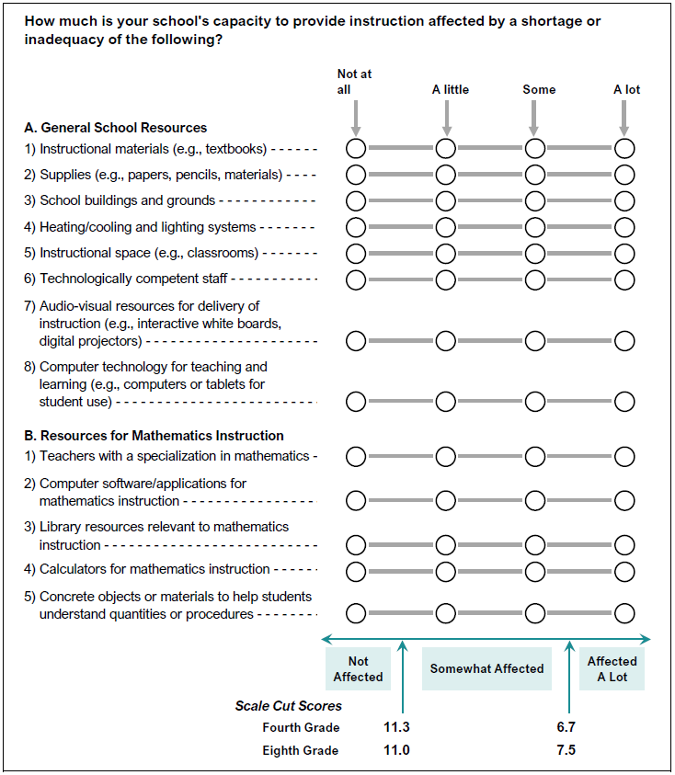

 | SOURCE: IEA's Trends in International Mathematics and Science Study - TIMSS 2019
 | Downloaded from http://timss2019.org/download

