Example 1
Exhibit 2.12.1: High International Benchmark of Science Achievement – Example Item 1

 |  | Country | Percent Full Credit |  |  |  | Content Domain: Life Science
 |  |  |  |  |  |  | Cognitive Domain: Knowing
 |  |  |  |  |  |  | Description: Lists two living things and two nonliving things shown in a picture of a desert ecosystem
 | 3 | Singapore | 84 | (1.4) | p
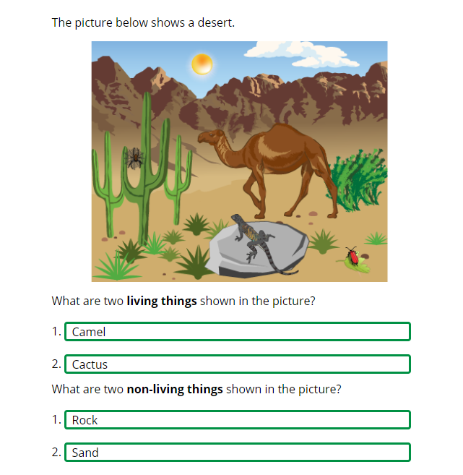
 |  | Armenia | 79 | (1.8) | p
 | 2 | Kazakhstan | 71 | (2.6) | p
 |  | Cyprus | 67 | (2.4) | p
 | 2 | Russian Federation | 67 | (2.2) | p
 | 2 | Turkey (5) | 67 | (2.6) | p
 | 2 | Serbia | 66 | (2.7) | p
 |  | Czech Republic | 64 | (1.7) | p
 |  | Italy | 63 | (2.6) | p
 | 2 | Slovak Republic | 62 | (2.3) | p
 |  | Hungary | 62 | (2.3) | p
 |  | Croatia | 62 | (2.6) | p
 |  | Bahrain | 60 | (1.5) | p
 |  | United Arab Emirates | 58 | (1.1) | p
 |  | Bulgaria | 57 | (2.6) | p
 |  | Oman | 56 | (2.1) | p
 |  | Montenegro | 55 | (1.9) | p
 | † | Norway (5) | 55 | (3.0) | p
 | 2 | Kosovo | 55 | (2.6) | p
 |  | Malta | 52 | (2.2) | p
 | 2† | United States | 52 | (1.6) | p
 |  | Australia | 51 | (2.2) | p
 |  | Qatar | 51 | (3.0) | p
 |  | Sweden | 50 | (2.4)
 |  | Poland | 50 | (2.6)
 |  | Finland | 49 | (2.0) | p
 | 2 | Portugal | 48 | (2.3)
 | 2 | Latvia | 47 | (2.3)
 | 2 | Lithuania | 47 | (2.7)
 | 2 | Saudi Arabia | 46 | (2.0)
 | 1 2 | Canada | 46 | (1.3)
 |  | Kuwait | 46 | (2.3)
 |  | International Average | 45 | (0.3) |  |  | The answer shown illustrates the type of response that would receive full credit (1 point).
 |  | Albania | 39 | (2.8) | s
 | 2 | England | 38 | (2.6) | s
 |  | North Macedonia | 38 | (3.3) | s
 |  | Bosnia and Herzegovina | 38 | (2.4) | s
 |  | France | 37 | (2.2) | s
 |  | Japan | 37 | (2.3) | s
 |  | Korea, Rep. of | 37 | (2.4) | s
 |  | Iran, Islamic Rep. of | 35 | (2.5) | s
 |  | Ireland | 34 | (2.1) | s
 | † | Denmark | 34 | (2.4) | s
 | 2 | Pakistan | 34 | (3.6) | s
 |  | Azerbaijan | 33 | (2.0) | s
 | 2 | New Zealand | 32 | (2.0) | s
 |  | Spain | 32 | (2.2) | s
 | 1 | Georgia | 31 | (2.7) | s
 | ≡ | Netherlands | 30 | (2.3) | s
 | † | Northern Ireland | 29 | (2.4) | s
 |  | Austria | 27 | (2.4) | s
 |  | South Africa (5) | 27 | (1.6) | s
 |  | Morocco | 27 | (2.0) | s
 |  | Germany | 23 | (1.9) | s
 | † | Hong Kong SAR | 23 | (2.3) | s
 |  | Chile | 20 | (2.0) | s
 | † | Belgium (Flemish) | 18 | (1.7) | s
 | 2 | Philippines | 15 | (1.5) | s
 |  | Chinese Taipei | 10 | (1.2) | s
Benchmarking Participants
 |  | Moscow City, Russian Fed. | 76 | (1.9) | p
 | 2 | Dubai, UAE | 72 | (1.5) | p
 | 2 | Ontario, Canada | 52 | (2.1) | p
 |  | Abu Dhabi, UAE | 42 | (1.3) | s
 |  | Quebec, Canada | 31 | (2.0) | s
 |  | Madrid, Spain | 23 | (1.9) | s

 |  |  |  |  | p | Percent significantly higher than international average

 |  |  |  |  | s | Percent significantly lower than international average

 | See Appendix B.2 for population coverage notes 1, 2, and 3. See Appendix B.5 for sampling guidelines and sampling participation notes †, ‡, and ≡. ( ) Standard errors appear in parentheses. Because of rounding some results may appear inconsistent.

 | SOURCE: IEA's Trends in International Mathematics and Science Study - TIMSS 2019
 | Downloaded from http://timss2019.org/download

Example 2
Exhibit 2.12.2: High International Benchmark of Science Achievement – Example Item 2

 |  | Country | Percent Correct |  |  |  | Content Domain: Physical Science
 |  |  |  |  |  |  | Cognitive Domain: Knowing
 |  |  |  |  |  |  | Description: Recognizes the energy change that occurs when a flashlight is turned on
 |  | Chinese Taipei | 82 | (1.8) | p
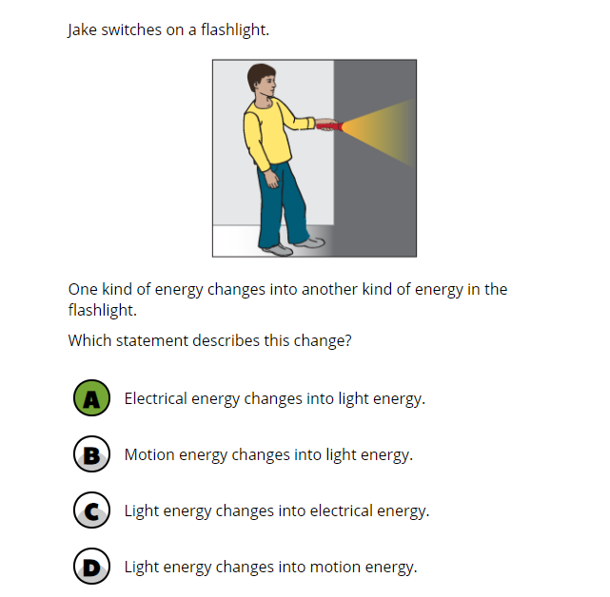
 |  | Korea, Rep. of | 81 | (2.0) | p
 | † | Hong Kong SAR | 80 | (1.9) | p
 |  | Sweden | 77 | (2.1) | p
 |  | Croatia | 75 | (2.8) | p
 |  | Finland | 74 | (2.0) | p
 |  | Japan | 74 | (1.9) | p
 | 2 | Lithuania | 74 | (2.1) | p
 |  | Iran, Islamic Rep. of | 73 | (1.8) | p
 |  | Poland | 73 | (2.0) | p
 |  | Bulgaria | 72 | (2.5) | p
 | 3 | Singapore | 72 | (1.6) | p
 | † | Belgium (Flemish) | 71 | (1.7) | p
 | 2 | Slovak Republic | 70 | (2.3) | p
 | 2 | Serbia | 69 | (2.1) | p
 | † | Norway (5) | 69 | (2.4) | p
 | 2 | Russian Federation | 69 | (2.0) | p
 |  | Spain | 68 | (2.0) | p
 |  | Czech Republic | 68 | (2.2) | p
 | † | Denmark | 67 | (2.2)
 |  | Australia | 67 | (2.0)
 | 2 | Latvia | 67 | (2.6)
 |  | France | 66 | (2.3)
 |  | Bahrain | 66 | (1.8)
 |  | Germany | 66 | (2.0)
 | 2 | England | 66 | (2.3)
 |  | Bosnia and Herzegovina | 66 | (1.8)
 |  | Italy | 65 | (2.5)
 | 1 2 | Canada | 65 | (1.4)
 | 2† | United States | 65 | (1.6)
 |  | Austria | 64 | (2.1)
 | 2 | New Zealand | 64 | (2.1)
 |  | International Average | 64 | (0.3)
 |  | Hungary | 64 | (2.0)
 | † | Northern Ireland | 63 | (2.6)
 |  | Ireland | 62 | (2.5)
 | ≡ | Netherlands | 62 | (2.3)
 |  | United Arab Emirates | 62 | (1.1)
 | 1 | Georgia | 62 | (2.8)
 |  | Qatar | 61 | (2.4)
 | 2 | Turkey (5) | 60 | (2.4)
 | 2 | Portugal | 60 | (2.1) | s
 |  | Cyprus | 59 | (1.8) | s
 |  | North Macedonia | 59 | (2.9)
 |  | Malta | 59 | (2.0) | s
 | 2 | Saudi Arabia | 58 | (2.1) | s
 |  | Oman | 57 | (2.0) | s
 |  | Kuwait | 57 | (2.2) | s
 |  | Albania | 56 | (2.8) | s
 | 2 | Kazakhstan | 56 | (2.1) | s
 |  | Montenegro | 56 | (1.6) | s
 | 2 | Kosovo | 54 | (2.5) | s
 |  | Chile | 52 | (2.3) | s
 |  | Azerbaijan | 51 | (2.4) | s
 |  | Morocco | 50 | (1.9) | s
 |  | South Africa (5) | 50 | (1.6) | s
 |  | Armenia | 49 | (2.3) | s
 | 2 | Philippines | 42 | (2.1) | s
 | 2 | Pakistan | 32 | (3.3) | s
Benchmarking Participants
 |  | Moscow City, Russian Fed. | 88 | (1.4) | p
 | 2 | Dubai, UAE | 73 | (1.5) | p
 |  | Quebec, Canada | 72 | (2.2) | p
 |  | Madrid, Spain | 66 | (2.5)
 | 2 | Ontario, Canada | 61 | (2.3)
 |  | Abu Dhabi, UAE | 51 | (1.7) | s

 |  |  |  |  | p | Percent significantly higher than international average

 |  |  |  |  | s | Percent significantly lower than international average

 | See Appendix B.2 for population coverage notes 1, 2, and 3. See Appendix B.5 for sampling guidelines and sampling participation notes †, ‡, and ≡. ( ) Standard errors appear in parentheses. Because of rounding some results may appear inconsistent.

 | SOURCE: IEA's Trends in International Mathematics and Science Study - TIMSS 2019
 | Downloaded from http://timss2019.org/download

Example 3
Exhibit 2.12.3: High International Benchmark of Science Achievement – Example Item 3

 |  | Country | Percent Full Credit |  |  |  | Content Domain: Earth Science
 |  |  |  |  |  |  | Cognitive Domain: Applying
 |  |  |  |  |  |  | Description: Using two pictures of the same location, explains that the Moon can look different at different times
 |  | Finland | 61 | (2.0) | p
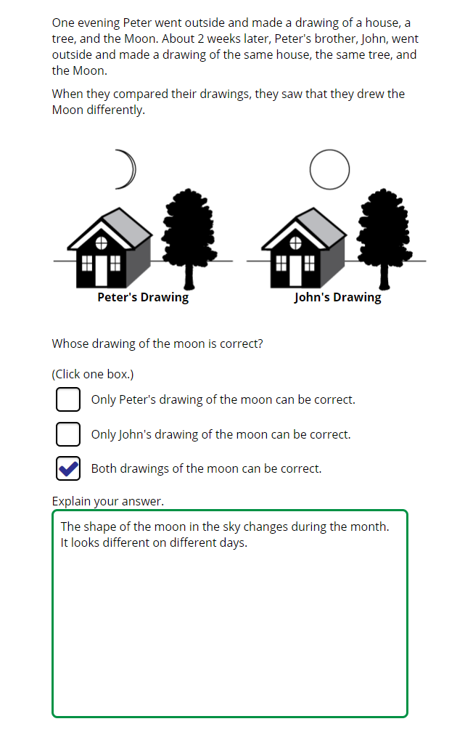
 | † | Norway (5) | 58 | (2.5) | p
 |  | Australia | 58 | (2.0) | p
 | 2 | Lithuania | 56 | (2.4) | p
 | 2† | United States | 55 | (1.7) | p
 |  | Korea, Rep. of | 54 | (2.1) | p
 | 2 | Turkey (5) | 53 | (2.4) | p
 | 2 | Russian Federation | 53 | (2.4) | p
 | 2 | Portugal | 52 | (2.3) | p
 |  | Sweden | 52 | (2.5) | p
 |  | Japan | 51 | (2.1) | p
 | 3 | Singapore | 51 | (1.8) | p
 |  | Austria | 50 | (2.3) | p
 |  | Germany | 50 | (2.3) | p
 |  | Hungary | 49 | (2.4) | p
 |  | Malta | 49 | (2.3) | p
 | † | Belgium (Flemish) | 48 | (2.1) | p
 |  | Croatia | 46 | (3.3) | p
 |  | Spain | 46 | (2.2) | p
 |  | Chinese Taipei | 44 | (2.3) | p
 | 2 | New Zealand | 44 | (2.5) | p
 | 2 | Latvia | 43 | (2.2) | p
 | 2 | Kazakhstan | 43 | (2.5) | p
 | 1 2 | Canada | 43 | (1.6) | p
 | 2 | Slovak Republic | 42 | (2.3) | p
 | ≡ | Netherlands | 41 | (2.6)
 | 2 | Serbia | 41 | (2.2)
 |  | Bahrain | 40 | (1.7)
 |  | Ireland | 40 | (2.4)
 |  | Cyprus | 40 | (2.2)
 | † | Northern Ireland | 39 | (2.2)
 |  | France | 37 | (2.4)
 |  | Italy | 37 | (2.4)
 |  | Czech Republic | 37 | (2.5)
 |  | International Average | 37 | (0.3)
 | 2 | England | 36 | (2.6)
 |  | Poland | 34 | (2.2)
 | † | Denmark | 34 | (2.4)
 |  | Armenia | 33 | (2.2)
 |  | United Arab Emirates | 30 | (1.0) | s
 |  | Bulgaria | 30 | (2.4) | s
 |  | Chile | 30 | (1.8) | s
 |  | Montenegro | 28 | (1.8) | s
 |  | Albania | 28 | (2.3) | s
 | 1 | Georgia | 27 | (2.1) | s
 |  | Bosnia and Herzegovina | 26 | (1.8) | s
 |  | Qatar | 25 | (2.0) | s
 | † | Hong Kong SAR | 24 | (2.0) | s |  | The answer shown illustrates the type of response that would receive full credit (1 point).
 | 2 | Saudi Arabia | 20 | (1.7) | s
 |  | Oman | 19 | (1.5) | s
 |  | Azerbaijan | 18 | (1.6) | s
 |  | South Africa (5) | 17 | (1.3) | s
 |  | North Macedonia | 17 | (2.4) | s
 | 2 | Kosovo | 15 | (1.4) | s
 |  | Morocco | 15 | (1.8) | s
 |  | Kuwait | 15 | (1.6) | s
 |  | Iran, Islamic Rep. of | 15 | (1.6) | s
 | 2 | Pakistan | 8 | (1.7) | s
 | 2 | Philippines | 4 | (1.1) | s
Benchmarking Participants
 |  | Moscow City, Russian Fed. | 58 | (2.1) | p
 |  | Madrid, Spain | 53 | (2.5) | p
 |  | Quebec, Canada | 48 | (2.5) | p
 | 2 | Dubai, UAE | 46 | (1.8) | p
 | 2 | Ontario, Canada | 40 | (3.0)
 |  | Abu Dhabi, UAE | 23 | (1.5) | s

 |  |  |  |  | p | Percent significantly higher than international average

 |  |  |  |  | s | Percent significantly lower than international average

 | See Appendix B.2 for population coverage notes 1, 2, and 3. See Appendix B.5 for sampling guidelines and sampling participation notes †, ‡, and ≡. ( ) Standard errors appear in parentheses. Because of rounding some results may appear inconsistent.

 | SOURCE: IEA's Trends in International Mathematics and Science Study - TIMSS 2019
 | Downloaded from http://timss2019.org/download

