Example 1
Exhibit 1.11.1: Intermediate International Benchmark of Mathematics Achievement – Example Item 1

 |  | Country | Percent Full Credit |  |  |  | Content Domain: Measurement and Geometry
 |  |  |  |  |  |  | Cognitive Domain: Applying
 |  |  |  |  |  |  | Description: Completes a symmetric figure on a square grid given half the shape and the line of symmetry
 | 3 | Singapore | 97 | (0.7) | p
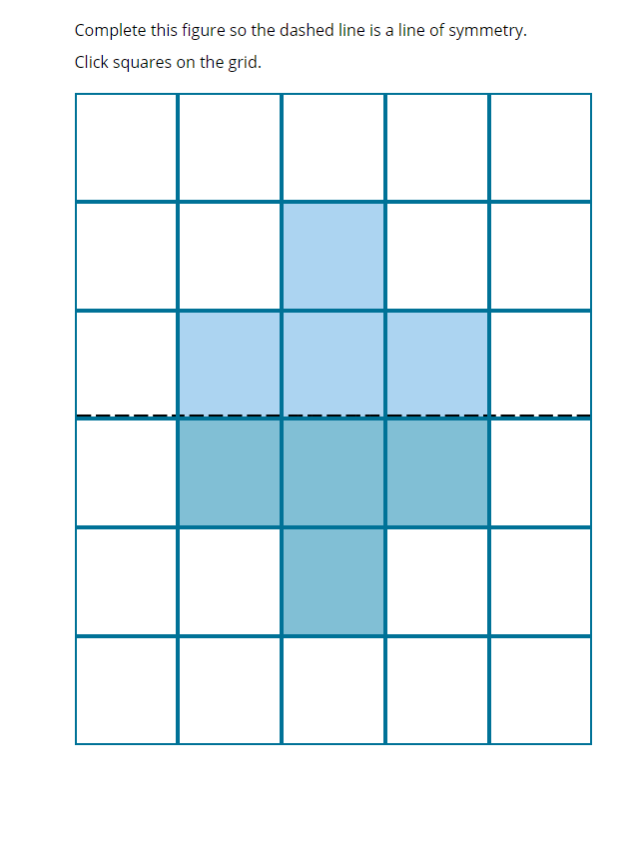
 |  | Cyprus | 93 | (1.2) | p
 |  | Ireland | 92 | (1.4) | p
 | † | Northern Ireland | 91 | (1.6) | p
 | † | Denmark | 91 | (1.5) | p
 | † | Hong Kong SAR | 90 | (1.9) | p
 | ≡ | Netherlands | 90 | (1.3) | p
 |  | Malta | 90 | (1.4) | p
 |  | Albania | 90 | (1.8) | p
 |  | Poland | 90 | (1.2) | p
 | † | Belgium (Flemish) | 89 | (1.5) | p
 | 2 | Latvia | 89 | (1.6) | p
 | 2 | England | 88 | (1.8) | p
 | † | Norway (5) | 88 | (1.9) | p
 |  | Australia | 86 | (1.8) | p
 | 2 | Lithuania | 86 | (1.7) | p
 | 2 | Kosovo | 86 | (1.9) | p
 |  | Germany | 85 | (1.8) | p
 | 2 | Kazakhstan | 84 | (1.7) | p
 | 2 | Portugal | 84 | (2.0) | p
 |  | Finland | 82 | (1.8) | p
 |  | Hungary | 81 | (1.7) | p
 |  | Morocco | 81 | (1.9) | p
 |  | Azerbaijan | 79 | (2.0) | p
 | 2 | New Zealand | 79 | (1.9) | p
 |  | Bulgaria | 78 | (2.4) | p
 |  | North Macedonia | 77 | (2.4) | p
 | 2 | Russian Federation | 77 | (2.3) | p
 |  | Austria | 77 | (1.9) | p
 |  | Sweden | 76 | (2.2) | p
 |  | Italy | 73 | (2.5)
 | 1 2 | Canada | 72 | (1.8)
 |  | France | 72 | (2.4)
 |  | International Average | 70 | (0.3)
 |  | Oman | 70 | (2.0)
 |  | Korea, Rep. of | 69 | (2.3)
 |  | Iran, Islamic Rep. of | 68 | (2.2)
 | 2 | Turkey (5) | 67 | (2.7)
 |  | Czech Republic | 66 | (2.6)
 |  | Spain | 65 | (2.5) | s |  | The answer shown illustrates the type of response that would receive full credit (1 point).
 | 2 | Slovak Republic | 62 | (2.8) | s
 | 2† | United States | 60 | (1.5) | s
 |  | Chinese Taipei | 59 | (2.4) | s
 | 2 | Serbia | 58 | (2.5) | s
 |  | Bahrain | 57 | (2.4) | s
 |  | Japan | 56 | (2.5) | s
 |  | United Arab Emirates | 55 | (1.2) | s
 |  | Croatia | 54 | (2.9) | s
 |  | South Africa (5) | 54 | (1.9) | s
 |  | Kuwait | 52 | (2.6) | s
 |  | Montenegro | 52 | (2.0) | s
 |  | Chile | 51 | (2.6) | s
 |  | Armenia | 49 | (2.5) | s
 |  | Qatar | 41 | (2.6) | s
 | 2 | Saudi Arabia | 40 | (1.9) | s
 | 1 | Georgia | 31 | (2.7) | s
 |  | Bosnia and Herzegovina | 30 | (2.0) | s
 | 2 | Pakistan | 18 | (4.7) | s
 | 2 | Philippines | 13 | (1.9) | s
Benchmarking Participants
 |  | Moscow City, Russian Fed. | 90 | (1.6) | p
 |  | Quebec, Canada | 83 | (2.2) | p
 | 2 | Ontario, Canada | 74 | (3.1)
 | 2 | Dubai, UAE | 73 | (1.5)
 |  | Madrid, Spain | 65 | (3.1)
 |  | Abu Dhabi, UAE | 45 | (2.1) | s

 |  |  |  |  | p | Percent significantly higher than international average

 |  |  |  |  | s | Percent significantly lower than international average

 | See Appendix B.2 for population coverage notes 1, 2, and 3. See Appendix B.5 for sampling guidelines and sampling participation notes †, ‡, and ≡. ( ) Standard errors appear in parentheses. Because of rounding some results may appear inconsistent.

 | SOURCE: IEA's Trends in International Mathematics and Science Study - TIMSS 2019
 | Downloaded from http://timss2019.org/download

Example 2
Exhibit 1.11.2: Intermediate International Benchmark of Mathematics Achievement – Example Item 2

 |  | Country | Percent Full Credit |  |  |  | Content Domain: Data
 |  |  |  |  |  |  | Cognitive Domain: Knowing
 |  |  |  |  |  |  | Description: Reads data from a line graph
 |  | Japan | 95 | (0.9) | p
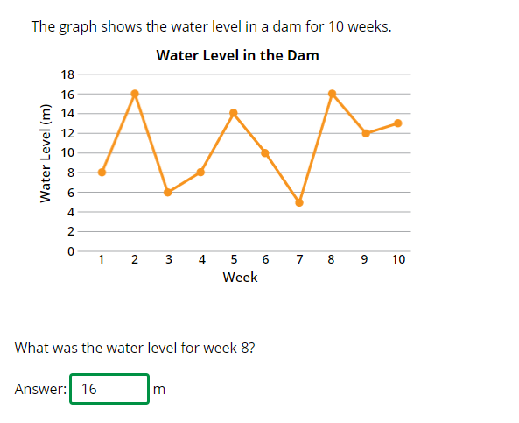
 | 3 | Singapore | 92 | (0.9) | p
 |  | Chinese Taipei | 92 | (1.3) | p
 |  | Korea, Rep. of | 91 | (1.3) | p
 | 2 | England | 91 | (1.5) | p
 | ≡ | Netherlands | 91 | (1.4) | p
 | † | Hong Kong SAR | 91 | (1.5) | p
 | † | Norway (5) | 88 | (1.7) | p
 | † | Northern Ireland | 87 | (1.8) | p
 | 2 | Russian Federation | 87 | (1.5) | p
 |  | Sweden | 86 | (1.9) | p
 |  | Finland | 86 | (1.6) | p
 | † | Belgium (Flemish) | 86 | (1.6) | p
 | 2 | Lithuania | 84 | (1.7) | p
 | † | Denmark | 84 | (1.7) | p
 |  | Australia | 84 | (1.6) | p
 | 2 | Portugal | 82 | (1.6) | p
 | 2 | Latvia | 81 | (2.0) | p
 |  | Ireland | 80 | (1.6) | p
 |  | Azerbaijan | 79 | (2.0) | p
 | 2† | United States | 79 | (1.4) | p
 |  | Spain | 78 | (2.5) | p
 | 2 | New Zealand | 77 | (1.7) | p
 |  | Hungary | 76 | (1.9) | p
 | 1 2 | Canada | 76 | (1.3) | p
 |  | Cyprus | 75 | (1.7) | p
 |  | Malta | 74 | (2.0) | p |  | The answer shown illustrates the type of response that would receive full credit (1 point).
 |  | Czech Republic | 73 | (2.2) | p
 |  | Germany | 71 | (2.0)
 |  | Austria | 70 | (2.4)
 | 2 | Slovak Republic | 70 | (2.2)
 |  | Italy | 69 | (2.5)
 | 2 | Turkey (5) | 69 | (2.4)
 |  | France | 68 | (2.6)
 |  | International Average | 68 | (0.3)
 |  | Albania | 68 | (2.2)
 | 2 | Serbia | 66 | (2.7)
 |  | Poland | 65 | (2.2)
 | 2 | Kazakhstan | 64 | (2.2)
 |  | Bahrain | 63 | (1.8) | s
 |  | United Arab Emirates | 62 | (0.8) | s
 |  | Bulgaria | 62 | (2.8) | s
 |  | Chile | 61 | (2.2) | s
 |  | Qatar | 60 | (2.3) | s
 |  | Croatia | 59 | (3.2) | s
 |  | North Macedonia | 52 | (2.8) | s
 |  | South Africa (5) | 52 | (1.8) | s
 |  | Iran, Islamic Rep. of | 50 | (2.4) | s
 | 1 | Georgia | 48 | (2.9) | s
 |  | Oman | 45 | (2.0) | s
 | 2 | Kosovo | 43 | (2.8) | s
 |  | Armenia | 42 | (2.1) | s
 |  | Montenegro | 41 | (1.8) | s
 |  | Kuwait | 40 | (2.6) | s
 | 2 | Saudi Arabia | 34 | (1.8) | s
 |  | Morocco | 32 | (2.5) | s
 |  | Bosnia and Herzegovina | 32 | (1.8) | s
 | 2 | Philippines | 28 | (2.1) | s
 | 2 | Pakistan | 21 | (4.2) | s
Benchmarking Participants
 |  | Moscow City, Russian Fed. | 95 | (1.1) | p
 |  | Quebec, Canada | 84 | (1.9) | p
 | 2 | Dubai, UAE | 81 | (1.2) | p
 |  | Madrid, Spain | 80 | (2.1) | p
 | 2 | Ontario, Canada | 75 | (2.1) | p
 |  | Abu Dhabi, UAE | 52 | (1.2) | s

 |  |  |  |  | p | Percent significantly higher than international average

 |  |  |  |  | s | Percent significantly lower than international average

 | See Appendix B.2 for population coverage notes 1, 2, and 3. See Appendix B.5 for sampling guidelines and sampling participation notes †, ‡, and ≡. ( ) Standard errors appear in parentheses. Because of rounding some results may appear inconsistent.

 | SOURCE: IEA's Trends in International Mathematics and Science Study - TIMSS 2019
 | Downloaded from http://timss2019.org/download

