Example 1
Exhibit 1.10.1: Low International Benchmark of Mathematics Achievement – Example Item 1

 |  | Country | Percent Full Credit |  |  |  | Content Domain: Data
 |  |  |  |  |  |  | Cognitive Domain: Applying
 |  |  |  |  |  |  | Description: Represents data from a table in a bar graph
 | † | Hong Kong SAR | 98 | (0.6) | p
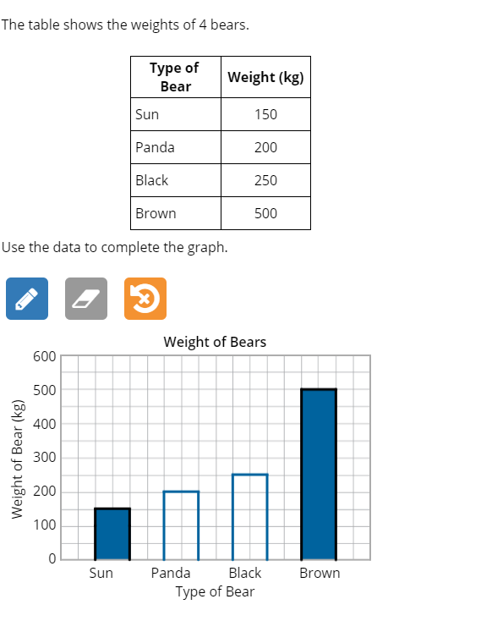
 |  | Korea, Rep. of | 96 | (0.9) | p
 |  | Japan | 95 | (0.9) | p
 | 3 | Singapore | 94 | (1.0) | p
 | 2 | Lithuania | 93 | (1.3) | p
 | 2 | Latvia | 93 | (1.3) | p
 | † | Northern Ireland | 92 | (1.3) | p
 |  | Ireland | 90 | (1.3) | p
 | † | Belgium (Flemish) | 89 | (1.2) | p
 |  | Poland | 88 | (1.6) | p
 | 2 | Russian Federation | 88 | (1.5) | p
 |  | Chinese Taipei | 88 | (1.7) | p
 |  | Czech Republic | 87 | (1.5) | p
 |  | Australia | 87 | (1.5) | p
 |  | Austria | 86 | (1.4) | p
 |  | Finland | 86 | (2.0) | p
 | † | Norway (5) | 86 | (1.7) | p
 | 2 | England | 84 | (1.8) | p
 | 2 | Portugal | 84 | (1.5) | p
 | ≡ | Netherlands | 84 | (1.9)
 |  | Cyprus | 84 | (1.7) | p
 |  | Sweden | 83 | (1.8)
 |  | Spain | 82 | (1.9)
 |  | Hungary | 82 | (2.3)
 | 2† | United States | 82 | (1.3)
 |  | Germany | 82 | (1.9)
 | † | Denmark | 82 | (1.7)
 | 2 | Turkey (5) | 81 | (2.3)
 |  | Azerbaijan | 81 | (1.7)
 |  | International Average | 81 | (0.3)
 |  | Malta | 80 | (1.7)
 | 2 | Slovak Republic | 80 | (1.9)
 |  | Croatia | 80 | (2.1)
 |  | Italy | 79 | (2.1)
 | 2 | New Zealand | 79 | (1.8) |  |  | The answer shown illustrates the type of response that would receive full credit (1 point).
 | 1 2 | Canada | 77 | (1.5) | s
 | 2 | Serbia | 75 | (3.3)
 |  | Bulgaria | 74 | (2.6) | s
 |  | France | 71 | (2.1) | s
 |  | United Arab Emirates | 69 | (0.7) | s
 |  | Iran, Islamic Rep. of | 69 | (1.9) | s
 |  | Bahrain | 64 | (2.5) | s
 |  | Qatar | 63 | (2.6) | s
 |  | Oman | 61 | (1.8) | s
 | 1 | Georgia | 61 | (2.9) | s
 | 2 | Kazakhstan | 60 | (2.3) | s
 |  | Chile | 59 | (2.2) | s
 |  | Armenia | 57 | (2.9) | s
 |  | Albania | - | -
 |  | Bosnia and Herzegovina | - | -
 | 2 | Kosovo | - | -
 |  | Kuwait | - | -
 |  | Montenegro | - | -
 |  | Morocco | - | -
 |  | North Macedonia | - | -
 | 2 | Pakistan | - | -
 | 2 | Philippines | - | -
 | 2 | Saudi Arabia | - | -
 |  | South Africa (5) | - | -
Benchmarking Participants
 |  | Moscow City, Russian Fed. | 96 | (0.8) | p
 |  | Quebec, Canada | 90 | (1.3) | p
 |  | Madrid, Spain | 86 | (1.6) | p
 | 2 | Dubai, UAE | 83 | (1.1) | p
 | 2 | Ontario, Canada | 75 | (2.4) | s
 |  | Abu Dhabi, UAE | 60 | (1.6) | s

 |  |  |  |  | p | Percent significantly higher than international average

 |  |  |  |  | s | Percent significantly lower than international average

 | See Appendix B.2 for population coverage notes 1, 2, and 3. See Appendix B.5 for sampling guidelines and sampling participation notes †, ‡, and ≡. ( ) Standard errors appear in parentheses. Because of rounding some results may appear inconsistent. A dash (-) indicates comparable data not available. Item not included in TIMSS 2019 less difficult mathematics assessment.

 | SOURCE: IEA's Trends in International Mathematics and Science Study - TIMSS 2019
 | Downloaded from http://timss2019.org/download

